Offering
Equity Offer:
$24,581,400 Equity Investment
for 80% ownership of GVT
New Investor receives preferred $10,000,000 payback from new debt
GVT/METALUB - Summary Investment Plan and Offering
 | With 2019 Plant Capacity (2x) Upgrade

 | Total GVT/METALUB Investment Plan: | Amount $
 | Buy out equity investors | $5,000,000
 | Take out Bank Financing | $5,000,000
 | PESCO-BEAM Solvent Extraction Unit | $5,000,000
 | Additional Distillation Capacity | $5,000,000
 | Finished Lubricant Blending Line | $1,690,000
 | Operating Capital | $1,500,000
 | Investment Commission | $1,391,400
 | Total GVT/METALUB Investment Plan | $24,581,400

 | Leverage Plan | Amount $
 | New Debt | $10,000,000

 | Indebtedness Ratio (Total Debt/Total Assets) | 41%

 | Debt Interest rate | 4.00% | Sensitivity Impact on 10-yr IRR:
 | Debt Term - years | 12 | 37% | Base Case Scenario
 | Grace period- months | 24 | 21% | Sensitivity Scenario

 | 10-year Project IRR | 24%
 | 10-year Leveraged IRR for equity investors | 37%

 | Prior GVT Share Distribution | %
 | Mark Wentworth | 90%
 | Mike Gentuso | 10%
 |  | 100%

 | Final GVT Share Distribution | %
 | PESCO-BEAM | 20%
 | New Investors | 80%
 |  | 100%

Base Oil Trends
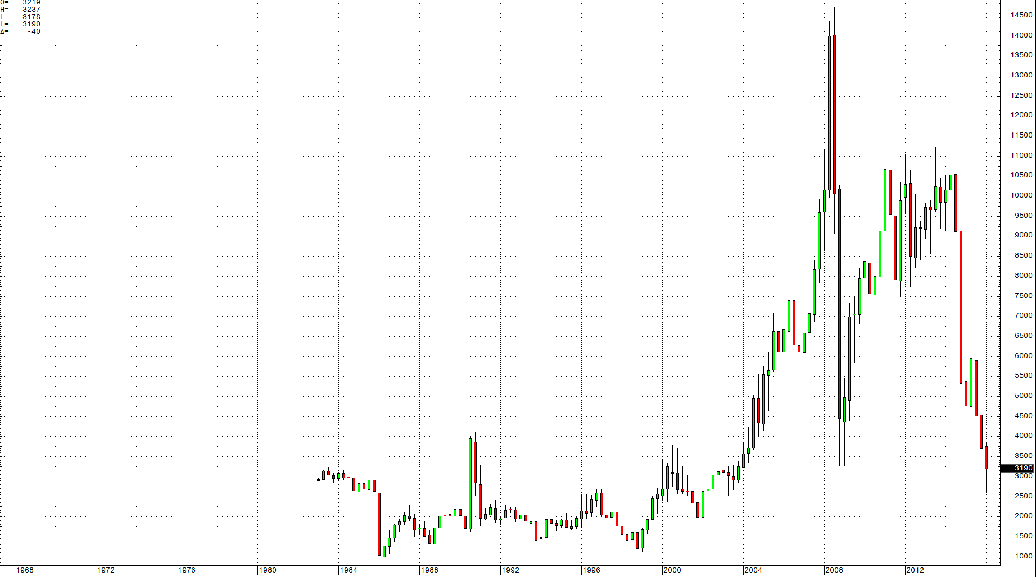
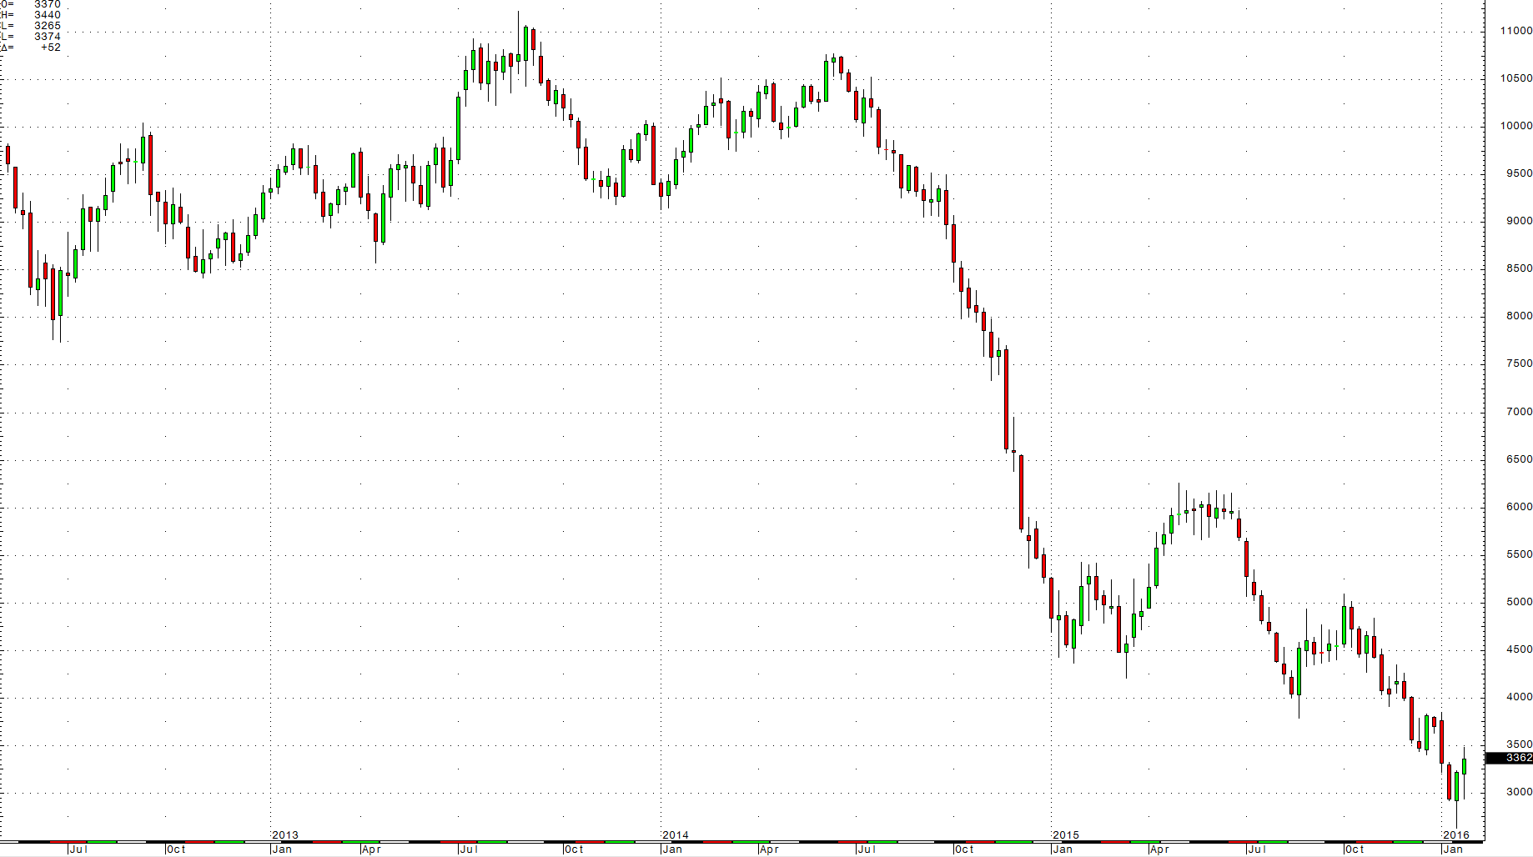
 | Nov-04 | Dec-04 | Jan-05 | Feb-05 | Mar-05 | Apr-05 | May-05 | Jun-05 | Jul-05 | Aug-05 | Sep-05 | Oct-05 | Nov-05 | Dec-05 | Jan-06 | Feb-06 | Mar-06 | Apr-06 | May-06 | Jun-06 | Jul-06 | Aug-06 | Sep-06 | Oct-06 | Nov-06 | Dec-06 | Jan-07 | Feb-07 | Mar-07 | Apr-07 | May-07 | Jun-07 | Jul-07 | Aug-07 | Sep-07 | Oct-07 | Nov-07 | Dec-07 | Jan-08 | Feb-08 | Mar-08 | Apr-08 | May-08 | Jun-08 | Jul-08 | Aug-08 | Sep-08 | Oct-08 | Nov-08 | Dec-08 | Jan-09 | Feb-09 | Mar-09 | Apr-09 | May-09 | Jun-09 | Jul-09 | Aug-09 | Sep-09 | Oct-09 | Nov-09 | Dec-09 | Jan-10 | Feb-10 | Mar-10 | Apr-10 | May-10 | Jun-10 | Jul-10 | Aug-10 | Sep-10 | Oct-10 | Nov-10 | Dec-10 | Jan-11 | Feb-11 | Mar-11 | Apr-11 | May-11 | Jun-11 | Jul-11 | Aug-11 | Sep-11 | Oct-11 | Nov-11 | Dec-11 | Jan-12 | Feb-12 | Mar-12 | Apr-12 | May-12 | Jun-12 | Jul-12 | Aug-12 | Sep-12 | Oct-12 | Nov-12 | Dec-12 | Jan-13 | Feb-13 | Mar-13 | Apr-13 | May-13 | Jun-13 | Jul-13 | Aug-13 | Sep-13 | Oct-13 | Nov-13 | Dec-13 | Jan-14 | Feb-14 | Mar-14 | Apr-14 | May-14 | Jun-14 | Jul-14 | Aug-14 | Sep-14 | Oct-14 | Nov-14 | Dec-14 | Jan-15 | Feb-15 | Mar-15 | Apr-15 | May-15 | Jun-15 | Jul-15 | Aug-15 | Sep-15 | Oct-15 | Nov-15 | Dec-15 | Jan-16 | Feb-16 | Mar-16 | Apr-16 | May-16 | Jun-16 | Jul-16 | Aug-16 | Sep-16 | Oct-16 | Nov-16 | Dec-16 | Jan-17 | Feb-17 | Mar-17 | Apr-17 | May-17 | Jun-17 | Jul-17 | Aug-17 | Sep-17 | Oct-17 | Nov-17 | Dec-17 | Jan-18 | Feb-18 | Mar-18 | Apr-18 | May-18 | Jun-18 | Jul-18 | Aug-18 | Sep-18 | Oct-18 | Nov-18 | Dec-18 | Jan-19 | Feb-19 | Mar-19 | Apr-19 | May-19 | Jun-19 | Jul-19 | Aug-19 | Sep-19 | Oct-19 | Nov-19 | Dec-19 | Jan-20 | Feb-20 | Mar-20 | Apr-20 | May-20 | Jun-20 | Jul-20 | Aug-20 | Sep-20 | Oct-20 | Nov-20 | Dec-20 | Jan-21 | Feb-21 | Mar-21 | Apr-21 | May-21 | Jun-21 | Jul-21 | Aug-21 | Sep-21 | Oct-21 | Nov-21 | Dec-21 | Jan-22 | Feb-22 | Mar-22 | Apr-22 | May-22 | Jun-22 | Jul-22 | Aug-22 | Sep-22 | Oct-22 | Nov-22 | Dec-22 | Jan-23 | Feb-23 | Mar-23 | Apr-23 | May-23 | Jun-23 | Jul-23 | Aug-23 | Sep-23 | Oct-23 | Nov-23 | Dec-23 | Jan-24 | Feb-24 | Mar-24 | Apr-24 | May-24 | Jun-24 | Jul-24 | Aug-24 | Sep-24 | Oct-24 | Nov-24 | Dec-24 | Jan-25 | Feb-25 | Mar-25 | Apr-25 | May-25 | Jun-25 | Jul-25 | Aug-25 | Sep-25 | Oct-25 | Nov-25 | Dec-25 | Jan-26
Base Oil G1 Cost/Gal | $1.78 | $1.78 | $1.78 | $1.78 | $1.80 | $1.90 | $1.90 | $2.00 | $2.05 | $2.23 | $2.37 | $2.42 | $2.46 | $2.46 | $2.46 | $2.63 | $2.73 | $2.73 | $2.82 | $3.00 | $3.00 | $3.15 | $3.15 | $3.15 | $3.05 | $3.05 | $3.00 | $2.87 | $2.87 | $2.87 | $2.87 | $3.00 | $3.05 | $3.10 | $3.10 | $3.10 | $3.13 | $3.33 | $3.33 | $3.33 | $3.60 | $3.80 | $3.95 | $4.25 | $5.05 | $5.05 | $5.15 | $5.15 | $4.95 | $3.75 | $3.25 | $2.85 | $2.35 | $2.25 | $2.25 | $2.25 | $2.35 | $2.60 | $2.60 | $2.60 | $2.60 | $2.60 | $2.60 | $2.95 | $2.95 | $3.00 | $3.15 | $3.45 | $3.50 | $3.30 | $3.30 | $3.30 | $3.30 | $3.50 | $3.50 | $3.50 | $4.00 | $4.00 | $4.30 | $4.75 | $4.75 | $4.75 | $4.60 | $4.35 | $4.35 | $4.15 | $4.15 | $4.15 | $4.15 | $4.45 | $4.45 | $4.30 | $4.00 | $4.00 | $4.00 | $4.00 | $3.90 | $3.85 | $3.75 | $3.75 | $3.75 | $3.80 | $3.80 | $3.80 | $3.80 | $3.80 | $3.90 | $3.90 | $4.00 | $4.00 | $4.00 | $3.85 | $3.85 | $3.90 | $3.90 | $4.00 | $4.00 | $3.80 | $3.80 | $3.65 | $3.30 | $2.80 | $2.80 | $2.80 | $2.80 | $2.80 | $2.80 | $2.80 | $2.80 | $2.70 | $2.50 | $2.40 | $2.40 | $2.30 | $2.10 | $1.80 | $1.80 | $1.90 | $2.00 | $2.25 | $2.40 | $2.40 | $2.40 | 2.4 | $2.40 | $2.40
Base Oil G2 Cost/Gal | $1.85 | $1.85 | $1.85 | $1.85 | $1.82 | $2.05 | $2.05 | $2.07 | $2.20 | $2.28 | $2.40 | $2.48 | $2.55 | $2.55 | $2.55 | $2.70 | $2.76 | $2.82 | $2.90 | $3.00 | $3.15 | $3.15 | $3.15 | $3.15 | $3.00 | $3.00 | $3.00 | $3.00 | $3.00 | $3.00 | $3.00 | $3.12 | $3.23 | $3.23 | $3.23 | $3.23 | $3.23 | $3.30 | $3.33 | $3.33 | $3.60 | $3.80 | $3.95 | $4.20 | $4.90 | $5.05 | $5.05 | $4.95 | $4.85 | $3.75 | $3.20 | $2.85 | $2.40 | $2.25 | $2.25 | $2.25 | $2.35 | $2.70 | $2.70 | $2.70 | $2.70 | $2.70 | $2.70 | $2.95 | $3.00 | $3.10 | $3.20 | $3.50 | $3.50 | $3.50 | $3.50 | $3.50 | $3.50 | $3.85 | $3.85 | $3.85 | $4.25 | $4.25 | $4.75 | $4.75 | $4.95 | $4.95 | $4.95 | $4.95 | $4.95 | $4.75 | $4.75 | $4.75 | $4.75 | $4.75 | $5.00 | $4.75 | $4.30 | $4.30 | $4.30 | $4.30 | $4.00 | $4.00 | $3.75 | $3.75 | $3.75 | $3.90 | $3.90 | $3.90 | $3.90 | $3.90 | $4.00 | $4.00 | $3.90 | $3.90 | $3.90 | $3.85 | $3.85 | $3.90 | $3.90 | $3.90 | $3.90 | $3.70 | $3.70 | $3.55 | $3.30 | $2.80 | $2.80 | $2.80 | $2.80 | $2.80 | $2.80 | $2.80 | $2.80 | $2.70 | $2.50 | $2.40 | $2.40 | $2.30 | $2.10 | $1.80 | $1.80 | $1.80 | $1.95 | $2.20 | $2.30 | $2.30 | $2.30 | $2.20 | $2.20 | $2.20
Crude West Texas Cost/Gal | $1.15 | $1.00 | $1.10 | $1.15 | $1.28 | $1.26 | $1.18 | $1.30 | $1.40 | $1.53 | $1.53 | $1.50 | $1.40 | $1.43 | $1.53 | $1.48 | $1.50 | $1.65 | $1.70 | $1.70 | $1.75 | $1.72 | $1.50 | $1.45 | $1.45 | $1.50 | $1.30 | $1.40 | $1.44 | $1.50 | $1.50 | $1.60 | $1.75 | $1.70 | $1.92 | $2.05 | $2.20 | $2.16 | $2.18 | $2.20 | $2.50 | $2.75 | $3.00 | $3.15 | $3.15 | $2.85 | $2.50 | $1.90 | $1.30 | $1.00 | $1.00 | $0.90 | $1.10 | $1.12 | $1.40 | $1.75 | $1.70 | $1.85 | $1.80 | $1.88 | $1.90 | $1.85 | $1.90 | $1.85 | $1.95 | $2.00 | $1.85 | $1.90 | $1.95 | $1.95 | $1.90 | $2.00 | $2.00 | $2.10 | $2.10 | $2.10 | $2.40 | $2.65 | $2.35 | $2.20 | $2.20 | $2.00 | $2.00 | $2.00 | $2.20 | $2.30 | $2.35 | $2.45 | $2.55 | $2.50 | $2.20 | $2.00 | $2.10 | $2.20 | $2.20 | $2.10 | $2.10 | $2.15 | $2.25 | $2.25 | $2.25 | $2.20 | $2.20 | $2.20 | $2.50 | $2.60 | $2.60 | $2.45 | $2.30 | $2.35 | $2.30 | $2.35 | $2.35 | $2.35 | $2.35 | $2.40 | $2.30 | $2.25 | $2.15 | $2.00 | $1.85 | $1.35 | $1.10 | $1.15 | $1.05 | $1.20 | $1.35 | $1.35 | $1.25 | $1.00 | $1.05 | $1.05 | $1.00 | $0.85 | $0.75 | $0.75 | $1.00 | $1.05 | $1.25 | $1.30 | $1.20 | $1.20 | $1.20 | $1.30 | $1.25
85% of posted G2 price | $1.57 | $1.57 | $1.57 | $1.57 | $1.55 | $1.74 | $1.74 | $1.76 | $1.87 | $1.94 | $2.04 | $2.11 | $2.17 | $2.17 | $2.17 | $2.30 | $2.35 | $2.40 | $2.47 | $2.55 | $2.68 | $2.68 | $2.68 | $2.68 | $2.55 | $2.55 | $2.55 | $2.55 | $2.55 | $2.55 | $2.55 | $2.65 | $2.75 | $2.75 | $2.75 | $2.75 | $2.75 | $2.80 | $2.83 | $2.83 | $3.06 | $3.23 | $3.36 | $3.57 | $4.17 | $4.29 | $4.29 | $4.21 | $4.12 | $3.19 | $2.72 | $2.42 | $2.04 | $1.91 | $1.91 | $1.91 | $2.00 | $2.30 | $2.30 | $2.30 | $2.30 | $2.30 | $2.30 | $2.51 | $2.55 | $2.64 | $2.72 | $2.98 | $2.98 | $2.98 | $2.98 | $2.98 | $2.98 | $3.27 | $3.27 | $3.27 | $3.61 | $3.61 | $4.04 | $4.04 | $4.21 | $4.21 | $4.21 | $4.21 | $4.21 | $4.04 | $4.04 | $4.04 | $4.04 | $4.04 | $4.25 | $4.04 | $3.66 | $3.66 | $3.66 | $3.66 | $3.40 | $3.40 | $3.19 | $3.19 | $3.19 | $3.32 | $3.32 | $3.32 | $3.32 | $3.32 | $3.40 | $3.40 | $3.32 | $3.32 | $3.32 | $3.27 | $3.27 | $3.32 | $3.32 | $3.32 | $3.32 | $3.15 | $3.15 | $3.02 | $2.80 | $2.38 | $2.38 | $2.38 | $2.38 | $2.38 | $2.38 | $2.38 | $2.38 | $2.30 | $2.13 | $2.04 | $2.04 | $1.95 | $1.79 | $1.53 | $1.53 | $1.53 | $1.66 | $1.87 | $1.95 | $1.95 | $1.95 | $1.87 | $1.87 | $1.87
GVT Base Oil G2 Price |  |  |  |  |  |  |  |  |  |  |  |  |  |  |  |  |  |  |  |  |  |  |  |  |  |  |  |  |  |  |  |  |  |  |  |  |  |  |  |  |  |  |  |  |  |  |  |  |  |  |  |  |  |  |  |  |  |  |  |  |  |  |  |  |  |  |  |  |  |  |  |  |  |  |  |  |  |  |  |  |  |  |  |  |  |  |  |  |  |  |  |  |  |  |  |  |  |  |  |  |  |  |  |  |  |  |  |  |  |  |  |  |  |  |  |  |  |  |  |  |  |  |  |  |  |  |  |  |  |  |  |  |  |  |  |  |  |  |  |  |  |  |  |  |  |  |  |  |  |  |  |  |  |  |  |  |  |  | $2.05 | $2.05 | $2.05 | $2.05 | $2.05 | $2.05 | $2.05 | $2.05 | $2.05 | $2.05 | $2.05 | $2.05 | $2.04 | $2.04 | $2.04 | $2.04 | $2.04 | $2.04 | $2.04 | $2.04 | $2.04 | $2.04 | $2.04 | $2.04 | $2.04 | $2.04 | $2.04 | $2.04 | $2.04 | $2.04 | $2.04 | $2.04 | $2.04 | $2.04 | $2.04 | $2.04 | $2.05 | $2.05 | $2.05 | $2.05 | $2.05 | $2.05 | $2.05 | $2.05 | $2.05 | $2.05 | $2.05 | $2.05 | $2.07 | $2.07 | $2.07 | $2.07 | $2.07 | $2.07 | $2.07 | $2.07 | $2.07 | $2.07 | $2.07 | $2.07 | $2.07 | $2.10 | $2.10 | $2.10 | $2.10 | $2.10 | $2.10 | $2.10 | $2.10 | $2.10 | $2.10 | $2.10 | $2.11 | $2.11 | $2.11 | $2.11 | $2.11 | $2.11 | $2.11 | $2.11 | $2.11 | $2.11 | $2.11 | $2.11 | $2.12 | $2.12 | $2.12 | $2.12 | $2.12 | $2.12 | $2.12 | $2.12 | $2.12 | $2.12 | $2.12 | $2.12

 | Nov-04 | Dec-04 | Jan-05 | Feb-05 | Mar-05 | Apr-05 | May-05 | Jun-05 | Jul-05 | Aug-05 | Sep-05 | Oct-05 | Nov-05 | Dec-05 | Jan-06 | Feb-06 | Mar-06 | Apr-06 | May-06 | Jun-06 | Jul-06 | Aug-06 | Sep-06 | Oct-06 | Nov-06 | Dec-06 | Jan-07 | Feb-07 | Mar-07 | Apr-07 | May-07 | Jun-07 | Jul-07 | Aug-07 | Sep-07 | Oct-07 | Nov-07 | Dec-07 | Jan-08 | Feb-08 | Mar-08 | Apr-08 | May-08 | Jun-08 | Jul-08 | Aug-08 | Sep-08 | Oct-08 | Nov-08 | Dec-08 | Jan-09 | Feb-09 | Mar-09 | Apr-09 | May-09 | Jun-09 | Jul-09 | Aug-09 | Sep-09 | Oct-09 | Nov-09 | Dec-09 | Jan-10 | Feb-10 | Mar-10 | Apr-10 | May-10 | Jun-10 | Jul-10 | Aug-10 | Sep-10 | Oct-10 | Nov-10 | Dec-10 | Jan-11 | Feb-11 | Mar-11 | Apr-11 | May-11 | Jun-11 | Jul-11 | Aug-11 | Sep-11 | Oct-11 | Nov-11 | Dec-11 | Jan-12 | Feb-12 | Mar-12 | Apr-12 | May-12 | Jun-12 | Jul-12 | Aug-12 | Sep-12 | Oct-12 | Nov-12 | Dec-12 | Jan-13 | Feb-13 | Mar-13 | Apr-13 | May-13 | Jun-13 | Jul-13 | Aug-13 | Sep-13 | Oct-13 | Nov-13 | Dec-13 | Jan-14 | Feb-14 | Mar-14 | Apr-14 | May-14 | Jun-14 | Jul-14 | Aug-14 | Sep-14 | Oct-14 | Nov-14 | Dec-14 | Jan-15 | Feb-15 | Mar-15 | Apr-15 | May-15 | Jun-15 | Jul-15 | Aug-15 | Sep-15 | Oct-15 | Nov-15 | Dec-15 | Jan-16 | Feb-16 | Mar-16 | Apr-16 | May-16 | Jun-16 | Jul-16 | Aug-16 | Sep-16 | Oct-16 | Nov-16 | Dec-16 | Jan-17 | Feb-17 | Mar-17 | Apr-17 | May-17 | Jun-17 | Jul-17 | Aug-17 | Sep-17 | Oct-17 | Nov-17 | Dec-17 | Jan-18 | Feb-18 | Mar-18 | Apr-18 | May-18 | Jun-18 | Jul-18 | Aug-18 | Sep-18 | Oct-18 | Nov-18 | Dec-18 | Jan-19 | Feb-19 | Mar-19 | Apr-19 | May-19 | Jun-19 | Jul-19 | Aug-19 | Sep-19 | Oct-19 | Nov-19 | Dec-19 | Jan-20 | Feb-20 | Mar-20 | Apr-20 | May-20 | Jun-20 | Jul-20 | Aug-20 | Sep-20 | Oct-20 | Nov-20 | Dec-20 | Jan-21 | Feb-21
Base Oil G1 Cost/Gal
Base Oil G2 Cost/Gal
Crude West Texas Cost/Gal
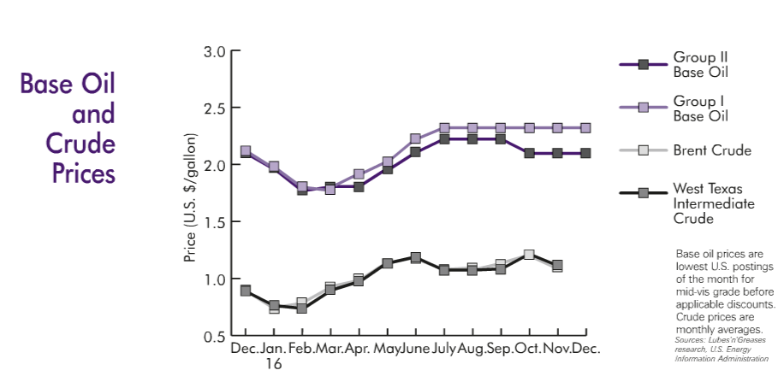

 | Base Oil G1 Cost/Gal | Base Oil G2 Cost/Gal | Crude West Texas Cost/Gal | GVT Base Oil G2 Price | 85% of posted G2 price
Nov-04 | $1.78 | $1.85 | $1.15 |  | $1.57
Dec-04 | $1.78 | $1.85 | $1.00 |  | $1.57
Jan-05 | $1.78 | $1.85 | $1.10 |  | $1.57
Feb-05 | $1.78 | $1.85 | $1.15 |  | $1.57
Mar-05 | $1.80 | $1.82 | $1.28 |  | $1.55
Apr-05 | $1.90 | $2.05 | $1.26 |  | $1.74
May-05 | $1.90 | $2.05 | $1.18 |  | $1.74
Jun-05 | $2.00 | $2.07 | $1.30 |  | $1.76
Jul-05 | $2.05 | $2.20 | $1.40 |  | $1.87
Aug-05 | $2.23 | $2.28 | $1.53 |  | $1.94
Sep-05 | $2.37 | $2.40 | $1.53 |  | $2.04
Oct-05 | $2.42 | $2.48 | $1.50 |  | $2.11
Nov-05 | $2.46 | $2.55 | $1.40 |  | $2.17
Dec-05 | $2.46 | $2.55 | $1.43 |  | $2.17
Jan-06 | $2.46 | $2.55 | $1.53 |  | $2.17
Feb-06 | $2.63 | $2.70 | $1.48 |  | $2.30
Mar-06 | $2.73 | $2.76 | $1.50 |  | $2.35
Apr-06 | $2.73 | $2.82 | $1.65 |  | $2.40
May-06 | $2.82 | $2.90 | $1.70 |  | $2.47
Jun-06 | $3.00 | $3.00 | $1.70 |  | $2.55
Jul-06 | $3.00 | $3.15 | $1.75 |  | $2.68
Aug-06 | $3.15 | $3.15 | $1.72 |  | $2.68
Sep-06 | $3.15 | $3.15 | $1.50 |  | $2.68
Oct-06 | $3.15 | $3.15 | $1.45 |  | $2.68
Nov-06 | $3.05 | $3.00 | $1.45 |  | $2.55
Dec-06 | $3.05 | $3.00 | $1.50 |  | $2.55
Jan-07 | $3.00 | $3.00 | $1.30 |  | $2.55
Feb-07 | $2.87 | $3.00 | $1.40 |  | $2.55
Mar-07 | $2.87 | $3.00 | $1.44 |  | $2.55
Apr-07 | $2.87 | $3.00 | $1.50 |  | $2.55
May-07 | $2.87 | $3.00 | $1.50 |  | $2.55
Jun-07 | $3.00 | $3.12 | $1.60 |  | $2.65
Jul-07 | $3.05 | $3.23 | $1.75 |  | $2.75
Aug-07 | $3.10 | $3.23 | $1.70 |  | $2.75
Sep-07 | $3.10 | $3.23 | $1.92 |  | $2.75
Oct-07 | $3.10 | $3.23 | $2.05 |  | $2.75
Nov-07 | $3.13 | $3.23 | $2.20 |  | $2.75
Dec-07 | $3.33 | $3.30 | $2.16 |  | $2.80
Jan-08 | $3.33 | $3.33 | $2.18 |  | $2.83
Feb-08 | $3.33 | $3.33 | $2.20 |  | $2.83
Mar-08 | $3.60 | $3.60 | $2.50 |  | $3.06
Apr-08 | $3.80 | $3.80 | $2.75 |  | $3.23
May-08 | $3.95 | $3.95 | $3.00 |  | $3.36
Jun-08 | $4.25 | $4.20 | $3.15 |  | $3.57
Jul-08 | $5.05 | $4.90 | $3.15 |  | $4.17
Aug-08 | $5.05 | $5.05 | $2.85 |  | $4.29
Sep-08 | $5.15 | $5.05 | $2.50 |  | $4.29
Oct-08 | $5.15 | $4.95 | $1.90 |  | $4.21
Nov-08 | $4.95 | $4.85 | $1.30 |  | $4.12
Dec-08 | $3.75 | $3.75 | $1.00 |  | $3.19
...
0.67272727273
12 Year Base Oil and Crude Trends
 | Base Oil G1 Cost/Gal | Base Oil G2 Cost/Gal | Crude West Texas Cost/Gal | 85% of posted G2 price
Nov-04 | $1.78 | $1.85 | $1.15 | $1.57
Dec-04 | $1.78 | $1.85 | $1.00 | $1.57
Jan-05 | $1.78 | $1.85 | $1.10 | $1.57
Feb-05 | $1.78 | $1.85 | $1.15 | $1.57
Mar-05 | $1.80 | $1.82 | $1.28 | $1.55
Apr-05 | $1.90 | $2.05 | $1.26 | $1.74
May-05 | $1.90 | $2.05 | $1.18 | $1.74
Jun-05 | $2.00 | $2.07 | $1.30 | $1.76
Jul-05 | $2.05 | $2.20 | $1.40 | $1.87
Aug-05 | $2.23 | $2.28 | $1.53 | $1.94
Sep-05 | $2.37 | $2.40 | $1.53 | $2.04
Oct-05 | $2.42 | $2.48 | $1.50 | $2.11
Nov-05 | $2.46 | $2.55 | $1.40 | $2.17
Dec-05 | $2.46 | $2.55 | $1.43 | $2.17
Jan-06 | $2.46 | $2.55 | $1.53 | $2.17
Feb-06 | $2.63 | $2.70 | $1.48 | $2.30
Mar-06 | $2.73 | $2.76 | $1.50 | $2.35
Apr-06 | $2.73 | $2.82 | $1.65 | $2.40
May-06 | $2.82 | $2.90 | $1.70 | $2.47
Jun-06 | $3.00 | $3.00 | $1.70 | $2.55
Jul-06 | $3.00 | $3.15 | $1.75 | $2.68
Aug-06 | $3.15 | $3.15 | $1.72 | $2.68
Sep-06 | $3.15 | $3.15 | $1.50 | $2.68
Oct-06 | $3.15 | $3.15 | $1.45 | $2.68
Nov-06 | $3.05 | $3.00 | $1.45 | $2.55
Dec-06 | $3.05 | $3.00 | $1.50 | $2.55
Jan-07 | $3.00 | $3.00 | $1.30 | $2.55
Feb-07 | $2.87 | $3.00 | $1.40 | $2.55
Mar-07 | $2.87 | $3.00 | $1.44 | $2.55
Apr-07 | $2.87 | $3.00 | $1.50 | $2.55
May-07 | $2.87 | $3.00 | $1.50 | $2.55
Jun-07 | $3.00 | $3.12 | $1.60 | $2.65
Jul-07 | $3.05 | $3.23 | $1.75 | $2.75
Aug-07 | $3.10 | $3.23 | $1.70 | $2.75
Sep-07 | $3.10 | $3.23 | $1.92 | $2.75
Oct-07 | $3.10 | $3.23 | $2.05 | $2.75
Nov-07 | $3.13 | $3.23 | $2.20 | $2.75
Dec-07 | $3.33 | $3.30 | $2.16 | $2.80
Jan-08 | $3.33 | $3.33 | $2.18 | $2.83
Feb-08 | $3.33 | $3.33 | $2.20 | $2.83
Mar-08 | $3.60 | $3.60 | $2.50 | $3.06
Apr-08 | $3.80 | $3.80 | $2.75 | $3.23
May-08 | $3.95 | $3.95 | $3.00 | $3.36
Jun-08 | $4.25 | $4.20 | $3.15 | $3.57
Jul-08 | $5.05 | $4.90 | $3.15 | $4.17
Aug-08 | $5.05 | $5.05 | $2.85 | $4.29
Sep-08 | $5.15 | $5.05 | $2.50 | $4.29
Oct-08 | $5.15 | $4.95 | $1.90 | $4.21
Nov-08 | $4.95 | $4.85 | $1.30 | $4.12
Dec-08 | $3.75 | $3.75 | $1.00 | $3.19
...

