Original iContact Blank OPSP
Year 2018 |  |  |  | Quarter: Q1 2018
COMPANY VALUES | 2020 Vision | 2018 Annual Theme | 2010 PLAN | Quarterly Goals |  | Quarterly Theme Name | Departmental Quarterly Themes
(Guiding Principles) | (Long Term What) | (The Big Hill) | (Quantitative Targets) | (Quantitative) |  | (The Hill We're Taking!) | (Your departmental quarterly hill to take)
 |  |  | Revenue | Revenue |  |  | Technology
 |  |  | Bookings | Bookings
 |  |  | Net Income | Net Income |  |  | Marketing
 |  |  | Cash Flow | Cash Flow |  | Deadline
 | Our Who (Still Determining) | Annual Theme Target | 2010 Top Initiatives | Q1 Business Top Initiatives | Owner | Quarterly Theme Target | Sales
 | (Core Customer) |  |  |  |  | (The Critical Number)
 |  | Critical Numbers |  |  |  | The Critical Number | Support

 |  |  |  |  |  |  | Finance
 |  | Critical Number Goals |  |  |  | Critical Number Goal
 |  |  |  |  |  |  | HR

 | 3 Year Key Goals | How Will We Deliver Customer Wow? |  | Quarterly Theme Actions | Owners | Celebration/Reward | Departmental KPIs
 |  |  |  |  |  | (If we hit quarterly hill goal)
 | 1 | 1 |  |  |  | Celebration for the SLT |  | Your 6 Month KPIs | Green | SuperGreen
 |  | 2 |  |  |  |  | 1
 | 2 | 3 |  |  |  |  | 2
 |  | 4 |  |  |  |  | 3
 | 3 | 5 |  |  |  |  | 4
 |  | How Will We Deliver Employee Happiness? |  |  |  | Celebration for the Company | 5
 | 4 |  |  |  |  |  | 6
 |  |  |  |  |  |  | 7
 | 5 |  |  |  |  |  | 8
 |  |  |  |  |  |  | 9
 | Purpose | What Drives Our Economic Engine? | Sandbox We Play In | Opportunites to Exceed Quarterly Plan |  | 5 Dysfunctions Model | Departmental Priorities
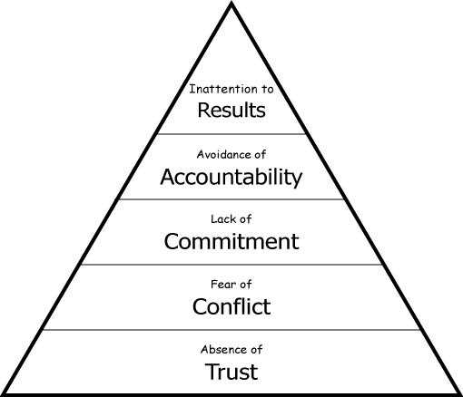
 |  |  | Industry
 |  |  | Product(s)
 |  | What Are We Passionate About?

 |  |  | Segment(s)
 | 3 Year Big Goal (2012) | Can Be Best in The World At?

 |  |  | Geography
 | 10 Year BHAG (2020 Vision) | Hedgehog Concept | Customer Types We Won't Accept | Threats to Making Quarterly Plan
Values Acronym |  |  |  |  |  | SLT Quarterly Self-Assessment
 |  |  |  |  |  | Results
 |  |  |  |  |  | Accountability
 | Differentiating Activities | Brand Promise | Current SMB Market Share |  |  | Commitment
 |  |  |  |  |  | Conflct
 |  |  |  |  |  | Trust
 |  |  |  |  |  | Overall Avg.

Strengths |  | Weaknesses |  | Opportunities |  | Threats | Risks

