Example
Past 6 months: |  |  | Deliver Service/ Marketing / Research / Development
Income from Jan-Jun 2011 | Income | % of Total Income | Time last week | % of Time
Product 1 (less COGS Cost of Goods) | 1500 | 14% | 5 | 7%
Product 2 (less COGS - Cost of Goods) | 800 | 7% | 5 | 7%
Service 1 | 8000 | 73% | 10 | 14%
Service 2 | 500 | 5% | 15 | 21%
Other | 200 | 2% | 35 | 50%
Total | $11,000 | 1 | 70 | 100%

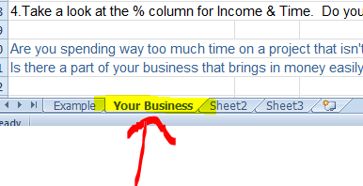
 |  |  |  |  | This is the example page. Jump over to the next tab called "Your Business" and fill in the orange fields
This is a quick exercise. Just spend a few minutes entering in the following information:
(your best guess is fine, for now)
Fill in the fields that are Orange
1. Change the names in the first columns to match your current products/services
2. In Column 2 - enter the amount you've earned for each.
3. Enter the amount of time you've spent working/marketing/in development - of these products/services
4.Take a look at the % column for Income & Time. Do you see any trends?

Are you spending way too much time on a project that isn't bringing in income?
Is there a part of your business that brings in money easily, with little time, but you're not focusing on it?

