DA
 |  |  |  |  |  |  |  |  |  |  |  | ver 2014.07.18
หมายเหตุ |  |  |  |  |  |  |  |  |  |  |  | 1 of 2
1) | ตารางคำนวณนี้เขียนขึ้นโดย พัลลภ วิสุทธิ์เมธานุกูล โดยมีวัตถุประสงค์ด้านวิชาการเพื่อใช้ประกอบหนังสือ คู่มือวิศวกรรมฐานราก ของผู้เขียนเดียวกัน
2) | ถึงแม้ว่าผู้เขียนจะพัฒนาตารางคำนวณขึ้นมาอย่างระมัดระวัง แต่ก็อาจจะมีความผิดพลาด รวมทั้งไม่สามารถใช้ครอบคลุมและแก้ปัญหาทุกสิ่งทุกอย่างได้
3) | ผู้เขียนตารางคำนวณไม่จำเป็นต้องรับผิดชอบความผิดพลาดในตารางคำนวณ หรือรับผิดชอบความเสียหายที่เกิดจากผู้อื่นนำไปใช้

Damage Assessment due to Excavation

 | Building |  | GL |  | Wall |  | FL |  | Settlement
3 | 0 | 0 | 0 | 0 | 0 | 0 | -17 | 28 | 0
25 | 0 | 30 | 0 | 0 | -22 | -5 | -17 | 27 | -1
25 | 6 |  |  |  |  |  |  | 26 | -2
3 | 6 |  |  |  |  |  |  | 25 | -3.5562146327
3 | 0 |  |  |  |  |  |  | 24.08125 | -5.5083512881
 |  |  |  |  |  |  |  | 23.1625 | -7.711690696
 |  |  |  |  |  |  |  | 23.1625 | -7.711690696
 |  |  |  |  |  |  |  | 22.24375 | -10.404881534
 |  |  |  |  |  |  |  | 21.325 | -13.48168333
 |  |  |  |  |  |  |  | 21.325 | -13.48168333
 |  |  |  |  |  |  |  | 20.40625 | -16.759395168
 |  |  |  |  |  |  |  | 19.4875 | -20.127776184
 |  |  |  |  |  |  |  | 19.4875 | -20.127776184
 |  |  |  |  |  |  |  | 18.56875 | -23.497601798
 |  |  |  |  |  |  |  | 17.65 | -26.813335986
 |  |  |  |  |  |  |  | 17.65 | -26.813335986
 |  |  |  |  |  |  |  | 16.73125 | -30.043849412
 |  |  |  |  |  |  |  | 15.8125 | -33.159913606
 |  |  |  |  |  |  |  | 15.8125 | -33.159913606
 |  |  |  |  |  |  |  | 14.89375 | -36.143203404
 |  |  |  |  |  |  |  | 13.975 | -39.005930758
 |  |  |  |  |  |  |  | 13.975 | -39.005930758
 |  |  |  |  |  |  |  | 13.05625 | -41.752793006
 |  |  |  |  |  |  |  | 12.1375 | -44.36469774
 |  |  |  |  |  |  |  | 12.1375 | -44.36469774
 |  |  |  |  |  |  |  | 11.21875 | -46.8006322
 |  |  |  |  |  |  |  | 10.3 | -49.049563559
 |  |  |  |  |  |  |  | 10.3 | -49.049563559
 |  |  |  |  |  |  |  | 9.3875 | -51.105259179
 |  |  |  |  |  |  |  | 8.475 | -52.943781967
 |  |  |  |  |  |  |  | 8.475 | -52.943781967
 |  |  |  |  |  |  |  | 7.5625 | -54.506024931
 |  |  |  |  |  |  |  | 6.65 | -55.763583363
 |  |  |  |  |  |  |  | 6.65 | -55.763583363
 |  |  |  |  |  |  |  | 5.7375 | -56.687339701
 |  |  |  |  |  |  |  | 4.825 | -57.257464814
 |  |  |  |  |  |  |  | 4.825 | -57.257464814
 |  |  |  |  |  |  |  | 3.9125 | -57.501275261
 |  |  |  |  |  |  |  | 3 | -57.55707553
 |  |  |  |  |  |  |  | 2 | -56
 |  |  |  |  |  |  |  | 1 | -54
 |  |  |  |  |  |  |  | 0 | -52
Building Details |  |  |  |  |  |  |  |  |  |  |  |  | Plotting Building |  | Plotting GL |  | Plotting Wall |  | Plotting FL
Description: | Brick Structure |  |  |  |  |  |  |  |  |  |  |  | 3 | 0 | 0 | 0 | 0 | 0 | 0 | -17
Length, L | 22.0 | m |  |  |  |  |  |  |  |  |  |  | 25 | 0 | 30 | 0 | 0 | -22 | -5 | -17
Settlement (mm)
Height, H | 6.0 | m |  |  |  |  |  |  |  |  |  |  | 25 | 6
Poisson | 0.3 | (-) |  |  |  |  |  |  |  |  |  |  | 3 | 6
E/G = | 2.6 | (-) |  |  |  |  |  |  |  |  |  |  | 3 | 0
Distance = | 3.0 | m from excavation
Exca. Depth = | 17.0 | m |  |  |  |  |  |  |  |  |  |  |  | Surface Settlement Data |  |  | Horizontal Ground Movement at Surface
 |  |  |  |  |  |  |  |  |  |  |  |  |  | X | Settlement (mm) |  | X | Hor. Disp. (mm)
 |  |  |  |  |  |  |  |  |  |  |  |  |  | 28 | 0 |  | 28 | 10
Surface Settlement Data (Start from Wall) |  |  |  |  |  |  |  |  |  |  |  |  |  | 27 | -1 |  | 27 | 10
Extracted from Numerical Analsyis |  |  |  |  |  |  |  |  |  |  |  |  |  | 26 | -2 |  | 26 | 10
 |  |  |  |  |  |  |  |  |  |  |  |  |  | 25 | -3.5562146327 |  | 25 | 10
 |  |  |  |  |  |  |  |  |  |  |  |  |  | 24.08125 | -5.5083512881 |  | 24.08125 | 10
 |  |  |  |  |  |  |  |  |  |  |  |  |  | 23.1625 | -7.711690696 |  | 23.1625 | 10
Enlarged Surface Settlement Plot
 | Settlement |  | Bldg Base
28 | 0 | 3 | 0
27 | -1 | 25 | 0
26 | -2
25 | -3.5562146327
24.08125 | -5.5083512881
23.1625 | -7.711690696
23.1625 | -7.711690696
22.24375 | -10.404881534
21.325 | -13.48168333
21.325 | -13.48168333
20.40625 | -16.759395168
19.4875 | -20.127776184
19.4875 | -20.127776184
18.56875 | -23.497601798
17.65 | -26.813335986
17.65 | -26.813335986
16.73125 | -30.043849412
15.8125 | -33.159913606
15.8125 | -33.159913606
14.89375 | -36.143203404
13.975 | -39.005930758
13.975 | -39.005930758
13.05625 | -41.752793006
12.1375 | -44.36469774
12.1375 | -44.36469774
11.21875 | -46.8006322
10.3 | -49.049563559
10.3 | -49.049563559
9.3875 | -51.105259179
8.475 | -52.943781967
8.475 | -52.943781967
7.5625 | -54.506024931
6.65 | -55.763583363
6.65 | -55.763583363
5.7375 | -56.687339701
4.825 | -57.257464814
4.825 | -57.257464814
3.9125 | -57.501275261
3 | -57.55707553
2 | -56
1 | -54
0 | -52
 |  |  |  |  |  |  |  |  |  |  |  |  |  | 23.1625 | -7.711690696 |  | 23.1625 | 10
 |  |  |  |  |  |  |  |  |  |  |  |  |  | 22.24375 | -10.404881534 |  | 22.24375 | 10
 |  |  |  |  |  |  |  |  |  |  |  |  |  | 21.325 | -13.48168333 |  | 21.325 | 10
 |  |  |  |  |  |  |  |  |  |  |  |  |  | 21.325 | -13.48168333 |  | 21.325 | 10
 |  |  |  |  |  |  |  |  |  |  |  |  |  | 20.40625 | -16.759395168 |  | 20.40625 | 10
 |  |  |  |  |  |  |  |  |  |  |  |  |  | 19.4875 | -20.127776184 |  | 19.4875 | 10
 |  |  |  |  |  |  |  |  |  |  |  |  |  | 19.4875 | -20.127776184 |  | 19.4875 | 10
 |  |  |  |  |  |  |  |  |  |  |  |  |  | 18.56875 | -23.497601798 |  | 18.56875 | 10
 |  |  |  |  |  |  |  |  |  |  |  |  |  | 17.65 | -26.813335986 |  | 17.65 | 10
 |  |  |  |  |  |  |  |  |  |  |  |  |  | 17.65 | -26.813335986 |  | 17.65 | 10
 |  |  |  |  |  |  |  |  |  |  |  |  |  | 16.73125 | -30.043849412 |  | 16.73125 | 10
 |  |  |  |  |  |  |  |  |  |  |  |  |  | 15.8125 | -33.159913606 |  | 15.8125 | 10
 |  |  |  |  |  |  |  |  |  |  |  |  |  | 15.8125 | -33.159913606 |  | 15.8125 | 10
 |  |  |  |  |  |  |  |  |  |  |  |  |  | 14.89375 | -36.143203404 |  | 14.89375 | 10
 |  |  |  |  |  |  |  |  |  |  |  |  |  | 13.975 | -39.005930758 |  | 13.975 | 10
 |  |  |  |  |  |  |  |  |  |  |  |  |  | 13.975 | -39.005930758 |  | 13.975 | 10
 |  |  |  |  |  |  |  |  |  |  |  |  |  | 13.05625 | -41.752793006 |  | 13.05625 | 10
 |  |  |  |  |  |  |  |  |  |  |  |  |  | 12.1375 | -44.36469774 |  | 12.1375 | 10
 |  |  |  |  |  |  |  |  |  |  |  |  |  | 12.1375 | -44.36469774 |  | 12.1375 | 10
 |  |  |  |  |  |  |  |  |  |  |  |  |  | 11.21875 | -46.8006322 |  | 11.21875 | 10
 |  |  |  |  |  |  |  |  |  |  |  |  |  | 10.3 | -49.049563559 |  | 10.3 | 10
 |  |  |  |  |  |  |  |  |  |  |  |  |  | 10.3 | -49.049563559 |  | 10.3 | 10
 |  |  |  |  |  |  |  |  |  |  |  |  |  | 9.3875 | -51.105259179 |  | 9.3875 | 10
 |  |  |  |  |  |  |  |  |  |  |  |  |  | 8.475 | -52.943781967 |  | 8.475 | 10
 |  |  |  |  |  |  |  |  |  |  |  |  |  | 8.475 | -52.943781967 |  | 8.475 | 10
A. Check Tilting of Overall Building |  |  |  |  |  |  |  |  |  |  |  |  |  | 7.5625 | -54.506024931 |  | 7.5625 | 10
Settlement at Near Edge |  | 57.56 | mm |  |  |  |  |  |  |  |  |  |  | 6.65 | -55.763583363 |  | 6.65 | 10
Settlement at Far Edge |  | 3.56 | mm |  |  |  |  |  |  |  |  |  |  | 6.65 | -55.763583363 |  | 6.65 | 10
Differential Settlement |  | 54.00 |  | Length of Building |  | 22.0 | m |  |  |  |  |  |  | 5.7375 | -56.687339701 |  | 5.7375 | 10
 | Tilting | 1 | in | 407 |  |  |  |  |  |  |  |  |  | 4.825 | -57.257464814 |  | 4.825 | 10
 |  |  |  |  |  |  |  |  |  |  |  |  |  | 4.825 | -57.257464814 |  | 4.825 | 10
B. Check Rotation between 2 Points Considered (upto 4 intervals can be evaluated) |  |  |  |  |  |  |  |  |  |  |  |  |  | 3.9125 | -57.501275261 |  | 3.9125 | 10
a) From X = | 3.0 | m to X = | 15.0 | m | Diff. Settlement = |  | 22.0 | mm | 1 | in | 545 |  |  | 3 | -57.55707553 |  | 3 | 10
b) From X = | 15.0 | m to X = | 25.0 | m | Diff. Settlement = |  | 30.0 | mm | 1 | in | 333 |  |  | 2 | -56 |  | 2 | 10
c) From X = |  | m to X = |  | m | Diff. Settlement = |  |  | mm | 1 | in | #DIV/0! |  |  | 1 | -54 |  | 1 | 10
d) From X = |  | m to X = |  | m | Diff. Settlement = |  |  | mm | 1 | in | #DIV/0! |  |  | 0 | -52 |  | 0 | 10

 |  |  |  |  |  |  |  |  |  |  |  | 2 of 2
C. Check Tensile Strain between 2 Points Considered (upto 4 intervals can be evaluated)
Horizontal Displacements at Surface Level
 | Bldg Base |  | Hor Move
3 | 0 | 28 | 10
25 | 0 | 27 | 10
 |  | 26 | 10
 |  | 25 | 10
 |  | 24.08125 | 10
 |  | 23.1625 | 10
 |  | 23.1625 | 10
 |  | 22.24375 | 10
 |  | 21.325 | 10
 |  | 21.325 | 10
 |  | 20.40625 | 10
 |  | 19.4875 | 10
 |  | 19.4875 | 10
 |  | 18.56875 | 10
 |  | 17.65 | 10
 |  | 17.65 | 10
 |  | 16.73125 | 10
 |  | 15.8125 | 10
 |  | 15.8125 | 10
 |  | 14.89375 | 10
 |  | 13.975 | 10
 |  | 13.975 | 10
 |  | 13.05625 | 10
 |  | 12.1375 | 10
 |  | 12.1375 | 10
 |  | 11.21875 | 10
 |  | 10.3 | 10
 |  | 10.3 | 10
 |  | 9.3875 | 10
 |  | 8.475 | 10
 |  | 8.475 | 10
 |  | 7.5625 | 10
 |  | 6.65 | 10
 |  | 6.65 | 10
 |  | 5.7375 | 10
 |  | 4.825 | 10
 |  | 4.825 | 10
 |  | 3.9125 | 10
 |  | 3 | 10
 |  | 2 | 10
 |  | 1 | 10
 |  | 0 | 10

a) From X = | 3.0 | m to X = | 15.0 | m | Relative Deflection = |  | 5.0 | mm | S | (S = Sagging, H = Hogging)
 |  |  |  |  |  | Deflection Ratio = | 0.000417 | (-) = | 0.0417 | %
 |  |  |  |  |  | Difference in Horizontal Displacements between the 2 Points = | 0.0 | mm
 |  |  |  |  |  | Horizontal Strain = | 0.000000 | (-) = | 0.000 | %
 | t = | 3 | m | I = | 18 | m4/m | L = | 12.0 | m between the 2 points
 | Bending Strain = | 0.00063291139241 | (-) |  |  | Total Bending Strain = | 0.000633 | (-)
 | Diagonal Strain = | 0.0002057 | (-) |  |  | Total Diagonal Strain = | 0.00020569620253 | (-)
 |  |  |  |  |  | Critical Tensile Strain = | 0.000633 | (-) = | 0.0633 | % | V. Slight

b) From X = | 15.0 | m to X = | 25.0 | m | Relative Deflection = |  | 3.0 | mm | H | (S = Sagging, H = Hogging)
 |  |  |  |  |  | Deflection Ratio = | 0.000300 | (-)
 |  |  |  |  |  | Difference in Horizontal Displacements between the 2 Points = | 0.0 | mm
 |  |  |  |  |  | Horizontal Strain = | 0.000000 | (-)
 | t = | 6 | m | I = | 72 | m4/m | L = | 10.0 | m between the 2 points
 | Bending Strain = | 0.00032648125756 | (-) |  |  | Total Bending Strain = | 0.000326 | (-)
 | Diagonal Strain = | 0.00025465538089 | (-) |  |  | Total Diagonal Strain = | 0.00025465538089 | (-)
 |  |  |  |  |  | Critical Tensile Strain = | 0.000326 | (-) = | 0.0326 | % | Negligible

c) From X = | 0.0 | m to X = | 0.0 | m | Relative Deflection = |  | 0.0 | mm | H | (S = Sagging, H = Hogging)
 |  |  |  |  |  | Deflection Ratio = | #DIV/0! | (-)
 |  |  |  |  |  | Difference in Horizontal Displacements between the 2 Points = | 0.0 | mm
 |  |  |  |  |  | Horizontal Strain = | #DIV/0! | (-)
 | t = | 6 | m | I = | 72 | m4/m | L = | 0.0 | m between the 2 points
 | Bending Strain = | #DIV/0! | (-) |  |  | Total Bending Strain = | #DIV/0! | (-)
 | Diagonal Strain = | #DIV/0! | (-) |  |  | Total Diagonal Strain = | #DIV/0! | (-)
 |  |  |  |  |  | Critical Tensile Strain = | #DIV/0! | (-) = | #DIV/0! | % | #DIV/0!

d) From X = | 0.0 | m to X = | 0.0 | m | Relative Deflection = |  | 0.0 | mm | H | (S = Sagging, H = Hogging)
 |  |  |  |  |  | Deflection Ratio = | #DIV/0! | (-)
 |  |  |  |  |  | Difference in Horizontal Displacements between the 2 Points = | 0.0 | mm
 |  |  |  |  |  | Horizontal Strain = | #DIV/0! | (-)
 | t = | 6 | m | I = | 72 | m4/m | L = | 0.0 | m between the 2 points
 | Bending Strain = | #DIV/0! | (-) |  |  | Total Bending Strain = | #DIV/0! | (-)
 | Diagonal Strain = | #DIV/0! | (-) |  |  | Total Diagonal Strain = | #DIV/0! | (-)
 |  |  |  |  |  | Critical Tensile Strain = | #DIV/0! | (-) = | #DIV/0! | % | #DIV/0!

Remark:

Reference:
Bending Strain |  | Diagonal Strain |  | Total Diagonal Strain

%

Concept
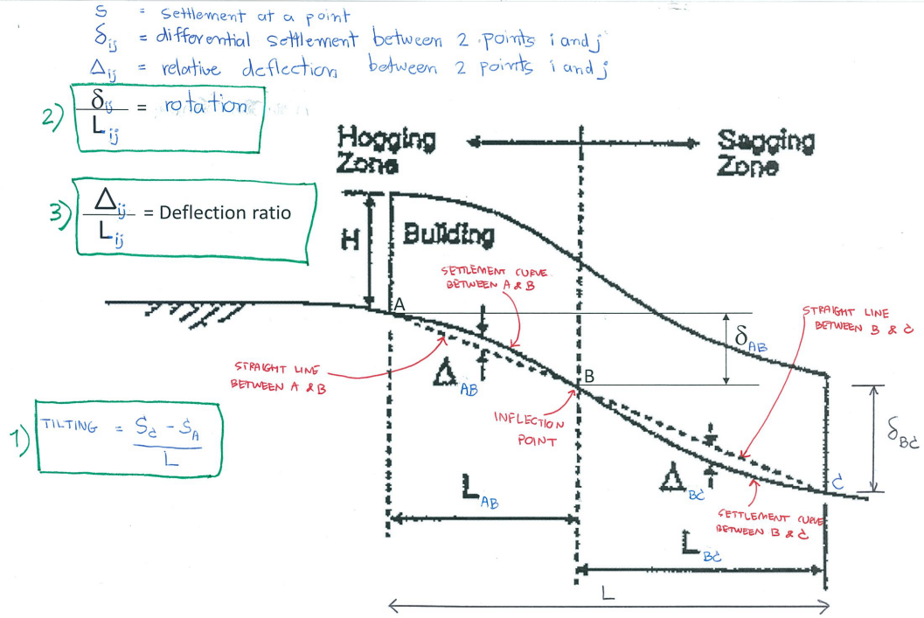

20 Nov 2012, PV

