RETAINING WALL
 |  |  |  | PROJECT : |  |  |  |  |  |  | PAGE :
 |  |  |  | CLIENT : |  |  |  |  |  |  | DESIGN BY : | Mr.Chawalit Juntawongtiang |  | Developed By
 |  |  |  | JOB NO. : |  |  |  | DATE : | 2018-02-18 04:43:20 |  | No : |  |  | นาย ชวลิต จุนทะวงศ์เที่ยง
 |  |  |  |  |  |  |  |  |  |  | REVIEW BY :
Retaining Wall Design Based on ACI 318-89

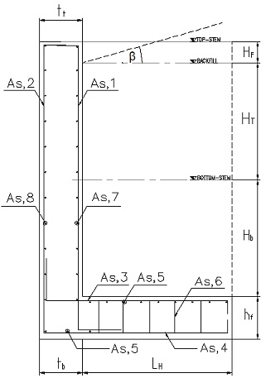
INPUT DATA & DESIGN SUMMARY |  |  |  |  | (Input Data in Hilight Only)
SOIL SLOPE |  |  | β | = | 0 | degree
ANGLE OF SOIL FRICTION |  |  | ø | = | 33.75 | degree
CONCRETE STRENGTH |  |  | fc' | = | 240 | ksc |  |  |  |  |  |  |  | diameter (mm) | area (cm2)
UNIT WEIGHT CONCRETE |  |  | gc | = | 2400 | kg/m3 |  |  |  |  |  |  |  | 8 | 0.503
REBAR YIELD STRESS |  |  | fy | = | 3000 | ksc |  |  |  |  |  |  |  | 10 | 0.785
LATERAL SOIL PRESSURE |  |  | Pa | = | 1600 | kg/m2 (equivalent fluid pressure) |  |  |  |  |  |  |  | 12 | 1.131
PASSIVE PRESSURE |  |  | Pp | = | 0 | kg/m2 / m |  |  |  |  |  |  |  | 16 | 2.011
SURCHARGE WEIGHT |  |  | ws | = | 800 | kg/m2 |  |  |  |  |  |  |  | 20 | 3.142
FRICTION COEFFICIENT |  |  | m | = | 0.5 |  |  |  |  |  |  |  |  | 25 | 4.909
ALLOW SOIL PRESSURE |  |  | Qa | = | 15000 | kg/m2 |  |  |  |  |  |  |  | 28 | 6.158
THICKNESS OF TOP STEM |  |  | tt | = | 25 | cm |  |  |  |  |  |  |  | 32 | 8.042
THICKNESS OF BOT STEM |  |  | tb | = | 50 | cm | OK |  |  |  |  |  |  | 40 | 12.566
TOE LENGTH |  |  | LT | = | 0.75 | m
HEEL LENGTH |  |  | LH | = | 1.75 | m
TOTAL LENGTH |  |  | L | = | 3 | m | OK
HEIGHT OF FENCE STEM |  |  | HF | = | 0 | m
HEIGHT OF TOP STEM |  |  | HT | = | 2.25 | m
HEIGHT OF BOT. STEM |  |  | HB | = | 2.25 | m
FOOTING THICKNESS |  |  | hf | = | 50 | cm | OK
TOTAL HEIGHT |  |  | H | = | 5 | m
SOIL OVER TOE |  |  | hp | = | 0 | m
STEM REINF AT SOIL FACE. (As,1) |  |  |  | DB | 20 | @ | 15 | cm
STEM REINF AT EACH FACE (As,2) |  |  |  | DB | 12 | @ | 30 | cm
HEEL REINF.OF FOOTING (As,3) |  |  |  | DB | 20 | @ | 15 | cm
TOE REINF.OF FOOTING (As,4) |  |  |  | DB | 20 | @ | 16 | cm | [THE WALL DESIGN IS ADEQUATE.]
LONGITUDINAL REINF.OF FOOTING (As,5) |  |  |  | DB | 16 | @ | 20 | cm
STEM HORIZ REINF AT SOIL FACE (As,7) |  |  |  | DB | 12 | @ | 36 | cm
STEM HORIZ REINF AT EACH FACE (As,8) |  |  |  | DB | 12 | @ | 18 | cm
STIRRUP REINF.OF FOOTING (As,6) |  |  |  | RB | 6 | @ | 30 | cm
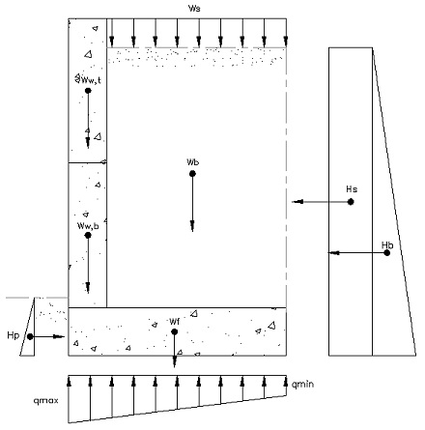
ANALYSIS
SERVICE LOADS
Ka = cosβ(cosβ-(cos2β-cos2ø)0.5)/(cosβ+(cos2β-cos2ø)0.5) |  |  |  |  |  |  | = | 0.286
 | Hb = 0.5 Pa (HT + HB + hf)2 Ka |  |  |  | = | 5714 | kg/m
 | Hs = Pa Ka (HT + HB + hf) |  |  |  | = | 1143 | kg/m
 | Hp = 0.5 Pa (hp)2 Ka |  |  |  | = | 0 | kg/m
 | Ws = ws (LH + ((tb - tt) / 2)) |  |  |  | = | 1500 | kg
 | Wb = (HT + Hb) Pa (LH + ((tb - tt) / 2)) |  |  |  | = | 13500 | kg
 | Wf = hf (LH + tb + LT) gc |  |  |  | = | 3600 | kg
 | Ww,t =1.25 tt HT gc |  |  |  | = | 1687.5 | kg |  |  |  | 4
 | Ww,b =1.75 tt HT gc |  |  |  | = | 2362.5 | kg

FACTORED LOADS
 | Dead Load |  | = | 1.4
 | Live Load |  | = | 1.7 |  |  | OVERTURNING MOMENT
 | gHb = 1.6 Hb |  | = | 9714 | kg/m |  |  | H | gH | y | H y | gH y
 | gHs = 1.6 Hs |  | = | 1943 | kg/m |  | Hb | 5714.04 | 9713.87 | 1.67 | 9523.41 | 16189.79
 | gHp = 1.6 Hp |  | = | 0 | kg/m |  | Hs | 1142.81 | 1942.77 | 2.50 | 2857.02 | 4856.94
 | gWs = 1.6 Ws |  | = | 2550 | kg |  | Hp | 0.00 | 0.00 | 8.42 | 0.00 | 0.00
 | gWb = 1.2 Wb |  | = | 18900 | kg |  | S | 6856.85 | 11656.65 |  | 12380.43 | 21046.73
 | gWf = 1.2 Wf |  | = | 5040 | kg
 | gWw,t = 1.2 Ww,t |  | = | 2363 | kg |  |  |  | OVERTURNING FACTOR OF SAFETY
 | gWw,b = 1.2 Ww,b |  | = | 3308 | kg
 |  |  |  |  |  |  |  |  |  |  | 3.26 | > | 2.0
RESISTING MOMENT |  | W | gW |  | x | W x | gW x |  |  |  | [Satisfactory]
 | Ws | 1500.00 | 2550.00 |  | 2.000 | 3000.00 | 5100.00
 | Wb | 13500.00 | 18900.00 |  | 2.078 | 28050.0 | 39270.00 |  | SLIDING FACTOR OF SAFETY
 | Wf | 3600.00 | 5040.00 |  | 1.500 | 5400.00 | 7560.00
 | Ww,t | 1687.50 | 2362.50 |  | 0.917 | 1546.88 | 2165.63 |  |  |  | 1.65 | > | 1.5
 | Ww,b | 2362.50 | 3307.50 |  | 0.979 | 2313.28 | 3238.59 |  |  |  | [Satisfactory]
 | S | 22650.00 | 32160.00 |  |  | 40310.2 | 57334.22

CHECK SOIL BEARING CAPACITY (ACI 318-89)

 |  | = | 3.00 |  | m |  |  |  |  |  | = | 0.27 | m

 |  |  |  |  |  | = | 11580.18 | kg/m2 | < | Q a |  | [Satisfactory]

 |  |  |  |  |  |  | 3519.82

CHECK FLEXURE CAPACITY FOR CONCRETE STEM

 |  |  | Lateral Earth Pressures |  |  |  |  | Lateral Surcharge Pressures
 |  |  | Pb | = | 4628.37 | kg |  | Ps | = | 1028.53 | kg
FACTORED LOADS
 |  |  | gPb = 1.6 Pb |  | = | 7868 | kg | Concrete Protection |  | = | 5 | cm
 |  |  | gPs = 1.6 Ps |  | = | 1748 | kg

 |  |  | Mu | = | 15736 | kg-m
 |  |  | Vu | = | 9617 | kg
 |  |  | øVc | = | 30708 | kg | > | Vu |  | [Satisfactory]
 |  |  | Ru | = | 9.03 | cm2
 |  |  | ρ | = | 0.0030802627507 | ; | ρmin | = | 0.0047 |  | ρ | < | ρmin
 |  |  | As | = | 20.53 | cm2
STEM REINF AT SOIL FACE. (As,1) |  |  |  |  | 6.54
 |  |  | Use DB | 20 | @ | 15 | cm

STEM REINF AT EACH FACE (As,2) |  |  |  |  | 3.3157279806
 |  |  | As | = | 3.75 | cm2
 |  |  | Use DB | 12 | @ | 30 | cm

CHECK FLEXURE CAPACITY FOR CONCRETE BASESLAB

 | HEEL | ; | Wf,H | = | 16100 | kg
 |  |  | Mu | = | 19722.5 | kg-m
 |  |  | Vu | = | 22540 | kg
 |  |  | øVc | = | 30708 | kg | > | Vu |  | [Satisfactory]
 |  |  | Ru | = | 11.32 | cm2
 |  |  | ρ | = | 0.0039 | ; | ρmin | = | 0.0047 |  | ρ | < | ρmin
 |  |  | As | = | 20.53 | cm2
HEEL REINF.OF FOOTING (As,3) |  |  |  |  | 6.5359629955
 |  |  | Use DB | 20 | @ | 15 | cm

 | TOE | : | Wf,T | = | 900 | kg |  | Concrete Protection |  | = | 7.5 | cm
 |  |  | Pb | = | 9565 | kg/m2
 |  |  | Mu | = | 4912 | kg-m
 |  |  | Vu | = | 12670 | kg
 |  |  | øVc | = | 28963 | kg | > | Vu |  | [Satisfactory]
 |  |  | Ru | = | 3.17 | cm2
 |  |  | ρ | = | 0.0011 | ; | ρmin | = | 0.0047 |  | ρ | < | ρmin
 |  |  | As | = | 19.37 | cm2
TOE REINF.OF FOOTING (As,4) |  |  |  |  | 6.1646014616
 |  |  | Use DB | 20 | @ | 16 | cm

LONGITUDINAL REINF.OF FOOTING (As,5) |  |  |  |  | 14.920775913
 |  |  | As | = | 30.00 | cm2
 |  |  | Use DB | 16 | @ | 20 | cm

STIRRUP REINF.OF FOOTING (As,6)
 |  |  | Use RB | 6 | @ | 30 | cm

CHECK FLEXURE CAPACITY FOR CONCRETE STEM

STEM HORIZ REINF AT SOIL FACE. (As,7) |  |  |  | 2.7631066505
 |  |  | As | = | 3.13 | cm2
 |  |  | Use DB | 12 | @ | 36 | cm

STEM HORIZ REINF AT EACH FACE. (As,8) |  |  |  |  | 5.5262133011
 |  |  | As | = | 6.25 | cm2
 |  |  | Use DB | 12 | @ | 18 | cm

 | Techincal References:
 | 1. Ferguson, P.M., Breen, J.E., and Jirsa, J.O. : "Reinforced Concrete Fundamentals, Fifth Edition" , 1988.
 | 2. Meyer, C. : "Design of Concrete Structures", Prentice-Hall, Inc., 1996.
 | 3. วินิต ช่อวิเชียร และ วรนิติ ช่อวิเชียร : "การออกแบบโครงสร้างคอนกรีตเสริมเหล็ก", หจก. ป. สัมพันธ์พาณิชย์, พิมพ์ครั้งที่สี่, 2007.
 | 4. ชัชวาลย์ พูนลาภพานิช : "วิศวกรรมฐานราก", สำนักพิมพ์ศรีปทุม, 2007.

 |  |  |  |  | http://www.uplusconsult.com

 |  |  |  |  | R E B A R D A T A
 |  |  |  |  | BAR | DIA | As
 |  |  |  |  | # | in | sq in
 |  |  |  |  | 3 | 0.375 | 0.110
 |  |  |  |  | 4 | 0.500 | 0.200
 |  |  |  |  | 5 | 0.625 | 0.310
 |  |  |  |  | 6 | 0.750 | 0.440
 |  |  |  |  | 7 | 0.875 | 0.600
 |  |  |  |  | 8 | 1.000 | 0.790
 |  |  |  |  | 9 | 1.128 | 1.000
 |  |  |  |  | 10 | 1.270 | 1.270
 |  |  |  |  | 11 | 1.410 | 1.560
 |  |  |  |  | 14 | 1.693 | 2.250
 |  |  |  |  | 18 | 2.257 | 4.000

 |  |  |  |  |  |  |  |  |  |  |  |  |  |  |  | .

WALL TYPE
Detail of Reinforcements |  | Free Body Diagram

Wall Type | Picture | Wall Type | Picture
RW1 | 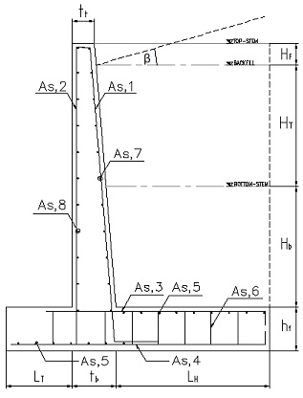 | RW1 | 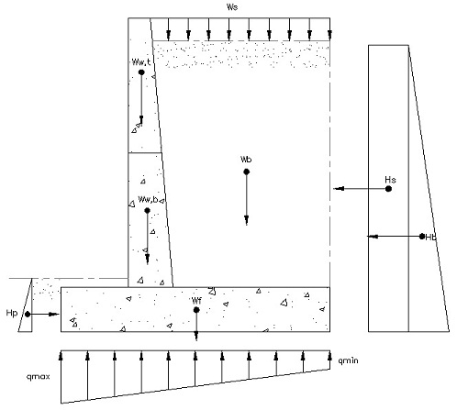
RW2 |  | RW2

